Scrap Materials
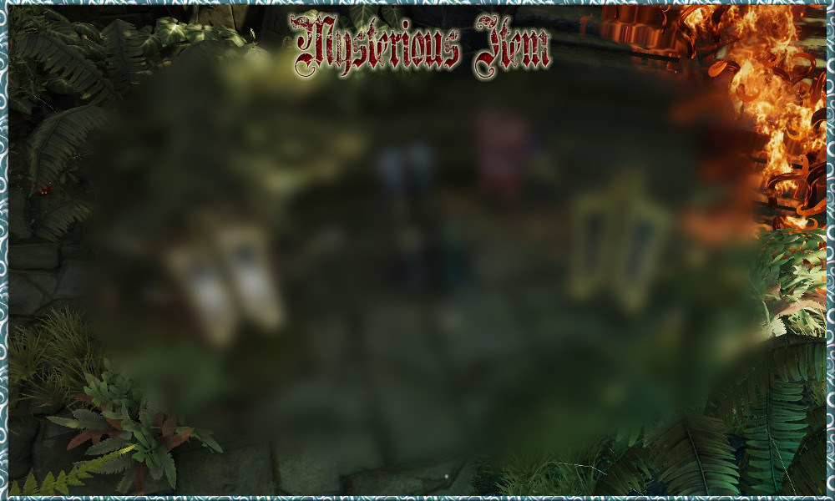
RESULT | Crafting Station | Object 1 | Object 2 | Object 3 | Object 4 | Object 5 | Comment
Sharp Rock (Simple Recipe) |  | One Handed Sword | Wooden Crate |  |  |  | Check ground
Sharp Piece of Metal (Simple Recipe) |  | Tong | Sharp Rock
Scrapper's Pickaxe |  | Long Branch | Sharp Piece of Metal | Sharp Rock
Leather Scraps |  | Scrapper's Pickaxe | Armor Belt
Leather Scraps |  | Scrapper's Pickaxe | Leather Upperbody, Gloves, Boots, Helmet, Pants
Cloth Scraps |  | Scrapper's Pickaxe | Mage Upperbody, Gloves, Boots, Helmet, Pants
Cloth Scraps |  | Scrapper's Pickaxe | Cloth Upperbody, Gloves, Boots, Helmet, Pants
Metal Scraps, Scale Scraps |  | Scrapper's Pickaxe | Warrior Upperbody, Gloves, Boots, Helmet, Pants
Plate Scraps | Anvil | Metal Scraps | Metal Scraps | Crafter's Hammer
Gold Bar | Anvil | Crafter's Hammer | Any Gold Object (Plate, Knife, Cup, Spoon..)

Short Stick |  | Scrapper's Pickaxe | Axe, Mace, Fishing rod, Wand
Long Branch |  | Scrapper's Pickaxe | Spear, Staff
Short Stick, Metal Scraps |  | Scrapper's Pickaxe | Sword
Long Branch, Metal Scraps |  | Scrapper's Pickaxe | Two Handed Sword
Short Stick, Bowstring |  | Scrapper's Pickaxe | Bow
Crossbow without string, Bowstring |  | Scrapper's Pickaxe | Crossbow
Metal Scraps |  | Scrapper's Pickaxe | Shield
Sharp Piece of Metal |  | Scrapper's Pickaxe | Knife, Dagger

Wood Chips |  | Scrapper's Pickaxe | Wood Junk
Wood Chips (Various amount) |  | Scrapper's Pickaxe | Crates, Basket, Bucket, Wooden Box
Wood Chips, Sharp Rock |  | Scrapper's Pickaxe | Wooden Crate, Barrel
Wood Chips, Nails |  | Scrapper's Pickaxe | Blacksmith Crate
Metal Scraps |  | Scrapper's Pickaxe | Spoon or Fork | Spoon or Fork
Metal Scraps |  | Scrapper's Pickaxe | Tong
Metal Scraps |  | Scrapper's Pickaxe | Cooking Pot, Frying Pan
Metal Scraps, Wood Chips, Nails |  | Scrapper's Pickaxe | Metal Crate
Metal Scraps |  | Scrapper's Pickaxe | Metal Junk
Lockpicks x4 |  | Crafter's Hammer | Nails
Feather x2 |  | Scrapper's Pickaxe | Pillow
Cloth Scraps |  | Scrapper's Pickaxe | Bed Linen
Cloth Scraps |  | Scrapper's Pickaxe | Bedroll
Cloth Scraps |  | Scrapper's Pickaxe | Cloth Junk
Bone Dust |  | Mortar & Pestle | Fish Bone | Fish Bone | Fish Bone
Gold Bar |  | Scrapper's Pickaxe | Amulets or Rings
Thread x2 | Spinning Wheel | Wool | Wool | Needle&Thread
Thread x8 | Spinning Wheel | Yarn | Yarn | Needle&Thread
Cloth Scraps | Spinning Wheel | Thread | Thread

Mysterious Part A |  | Scrapper's Pickaxe | Package |  |  |  | You can get random mysterious parts with scrapping packages on the world. If you collect all four of them, you can craft mysterious item on workbench. Later then you can upgrade it with using some materials.
Mysterious Part B |  | Scrapper's Pickaxe | Package
Mysterious Part C |  | Scrapper's Pickaxe | Package
Mysterious Part D |  | Scrapper's Pickaxe | Package
Mysterious Item |  | Workbench | Mysterious Part A | Mysterious Part B | Mysterious Part C | Mysterious Part D
Upgraded Mysterious Item |  | Workbench | Mysterious Item | Fire Essence
Upgraded Mysterious Item |  | Workbench | Mysterious Item | Trigger Mechanism
Trigger Mechanism |  | Workbench | Metal Scraps | Metal Scraps

Event Special Items
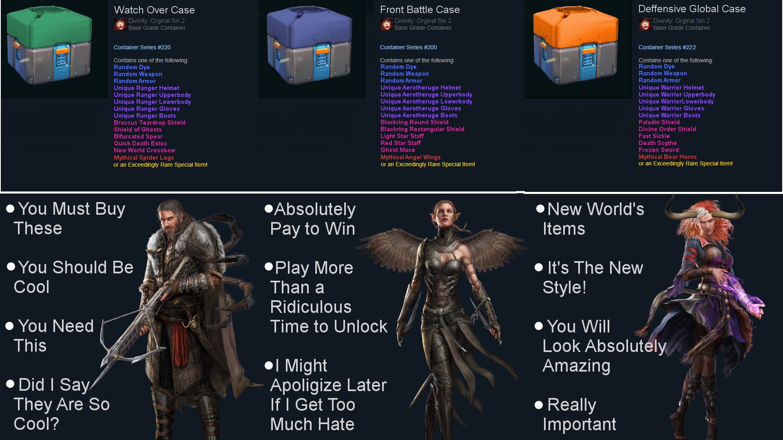
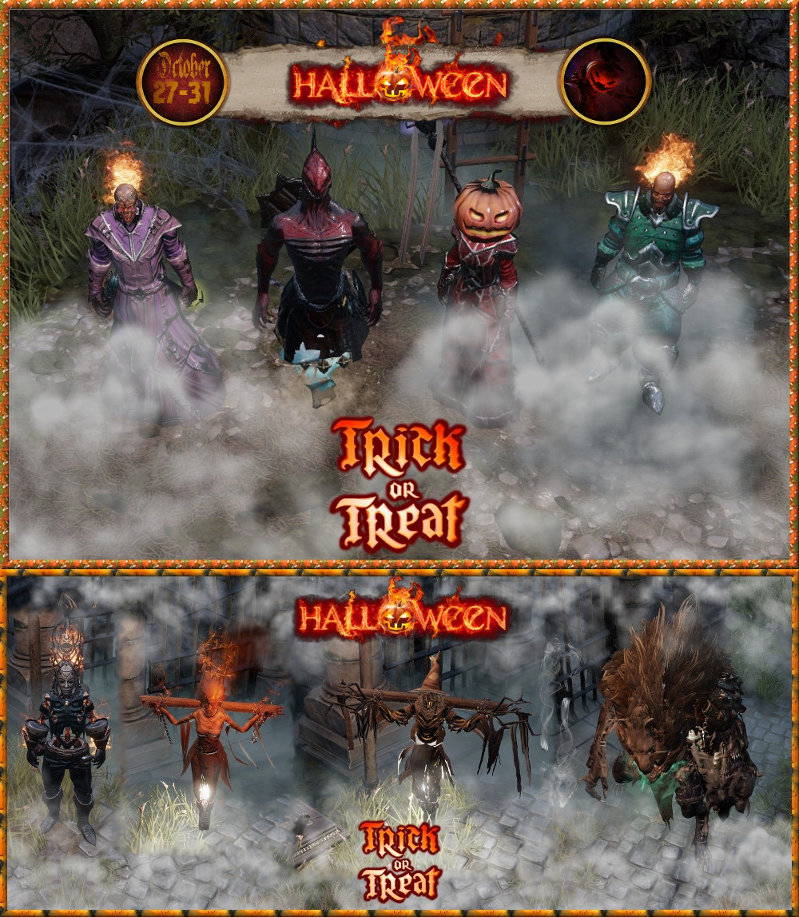
RESULT | Crafting Station | Object 1 | Object 2 | Object 3 | Object 4 | Object 5 | Comment
Event Craft Station |  | Pumpkin | Crafter's Hammer |  |  |  | Soul of the Halloween and Xmas.
Various Items |  | Lootbox | Pickaxe

Cursed Witch Potion | Event Craft Station | Empty Potion Bottle | Tormented Soul |  |  |  | Annoying Witch
Scarecrow Potion | Event Craft Station | Empty Potion Bottle | Pumpkin |  |  |  | Spooky enough?
Abomination Potion | Event Craft Station | Empty Potion Bottle | Animal Hide |  |  |  | What the heck is that? Better run.
Burning Skeleton Potion | Event Craft Station | Empty Potion Bottle | Human Skull |  |  |  | Put your armor on or off. Your call
Zeus Potion | Event Craft Station | Empty Potion Bottle | Air Essence |  |  |  | Was that Fake one? Sigh.
Medusa Potion | Event Craft Station | Empty Potion Bottle | Animal Scales |  |  |  | Medusa. Wut?
Paincaster Potion | Event Craft Station | Empty Potion Bottle | Life Essence |  |  |  | Pain itself in chains
Pain Dog Potion | Event Craft Station | Empty Potion Bottle | Needle |  |  |  | Poor doggy
Shambling Potion | Event Craft Station | Empty Potion Bottle | Wood Chips |  |  |  | It's a hard wood.

Candle Wand | Event Craft Station | Short Stick |  |  |  |  | Burn your friends
Broom Staff | Event Craft Station | Broom |  |  |  |  | Witch Broom
Reaper's Scythe | Event Craft Station | Long Branch | Scale Scraps |  |  |  | Stolen item from Grim Reaper

Barrel Armor | Event Craft Station | Barrel |  |  |  |  | Smexy barrels
Pumpkin Helmet | Event Craft Station | Pumpkin |  |  |  |  | Pumpkinhead
Burning Head Helmet | Event Craft Station | Human Skull |  |  |  |  | Beware it will burn your hair. Don't worry if you are bald.
Ghost Helmet | Event Craft Station | Life Essence |  |  |  |  | Turn your full body into a ghost
Djinn Pants | Event Craft Station | Cloth Scraps | Cloth Scraps |  |  |  | Lizards Only
Phoenix Talon | Event Craft Station | Feather |  |  |  |  | Spread your wings!
Halloween Mask | Event Craft Station | Leather Scraps

Pepper Candy | Event Craft Station | Pepper |  |  |  |  | Eet it or do not eet it? That's da question
Edible Pumpkin | Event Craft Station | Pumpkin | Knife/Dagger |  |  |  | Yessh it's edible. Eat it!
Real Smoke Grenade | Event Craft Station | Smoke Grenade |  |  |  |  | Put it on ground to get spooky
Real Tremor Grenade | Event Craft Station | Tremor Grenade |  |  |  |  | Put it on ground to get spooky
Pumpkin Grenade | Event Craft Station | Pumpkin | Fuse |  |  |  | Throwable pumpkin
Health/Poison Potion | Event Craft Station | Large Health Potion |  |  |  |  | Trick or Treat
Poison/Health Potion | Event Craft Station | Large Posion Bottle |  |  |  |  | Trick or Treat

Winter Cap | Event Craft Station | Leather Scraps | Cloth Scraps |  |  |  | Santa, Masks, Deer antlers, scarf with a cap..
Present Grenade | Event Craft Station | Present Box | Fuse |  |  |  | Soul of winter is here.
Bell Mace | Event Craft Station | Short Stick | Plate Scraps |  |  |  | Jingle ready to mingle.
Frost 2H Mace | Event Craft Station | Long Branch | Plate Scraps |  |  |  | Frozen one
Frost Staff | Event Craft Station | Long Branch | Essence Water |  |  |  | Frozen second
Star Wand | Event Craft Station | Short Stick | Essence Water |  |  |  | It has come from top of the xmas tree
Frost Shield | Event Craft Station | Plate Scraps | Rope |  |  |  | Shield of winter
Winter Egg | Event Craft Station | Egg | Essence Water |  |  |  | Nice little pet

